ECEC_1
Structural indicators on early childhood education and care

ECEC indicator 1: Age from which a place in ECEC is guaranteed, 2023/2024

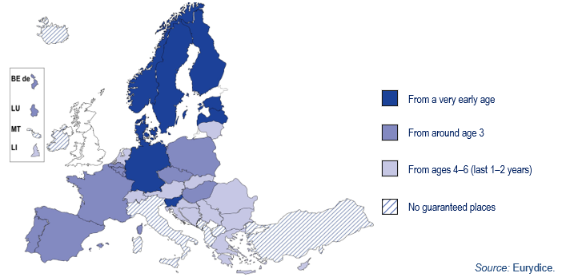
 | From a very early age | From around age 3 | From age 4-6 (last 1-2 years) | No guaranteed places
BEfr | 0 | 1 | 0 | 0
BEde | 0 | 1 | 0 | 0
BEnl | 0 | 1 | 0 | 0
BG | 0 | 0 | 1 | 0
CZ | 0 | 1 | 0 | 0
DK | 1 | 0 | 0 | 0
DE | 1 | 0 | 0 | 0
EE | 1 | 0 | 0 | 0
IE | 0 | 0 | 0 | 1
EL | 0 | 0 | 1 | 0
ES | 0 | 1 | 0 | 0
FR | 0 | 1 | 0 | 0
HR | 0 | 0 | 1 | 0
IT | 0 | 0 | 0 | 1
CY | 0 | 0 | 1 | 0
LV | 1 | 0 | 0 | 0
LT | 0 | 0 | 1 | 0
LU | 0 | 1 | 0 | 0
HU | 0 | 1 | 0 | 0
MT | 0 | 0 | 0 | 1
NL | 0 | 0 | 1 | 0 | Country notes
AT | 0 | 0 | 1 | 0 | Portugal: since the extension of legal entitlement from age 4 to age 3 in 2018, demand has still not been met for 3-year-olds in some large cities. The legal entitlement is fully enforced from age 4 onward.
PL | 0 | 1 | 0 | 0
PT | 0 | 1 | 0 | 0
RO | 0 | 0 | 1 | 0
SI | 1 | 0 | 0 | 0
SK | 0 | 0 | 1 | 0
FI | 1 | 0 | 0 | 0
SE | 1 | 0 | 0 | 0
AL | 0 | 0 | 0 | 1
BA | 0 | 0 | 1 | 0
CH | 0 | 0 | 1 | 0
IS | 0 | 0 | 0 | 1
LI | 0 | 0 | 1 | 0
ME | 0 | 0 | 0 | 1
MK | 0 | 0 | 0 | 1
NO | 1 | 0 | 0 | 0
RS | 0 | 0 | 1 | 0
TR | 0 | 0 | 0 | 1

This sheet groups two access measures together and shows the earliest age from which a place guarantee is available: either as a legal entitlement or compulsory ECEC.
Legal entitlement to ECEC refers to a statutory duty on ECEC providers to secure publicly subsidised ECEC provision for all children living in a catchment area whose parents, regardless of their employment, socioeconomic or family status, require a place for their child.
Compulsory ECEC refers to the legal obligation for children to attend ECEC when they reach a certain age.
For full description of the methodology, see Structural indicators for monitoring education and training systems in Europe – 2023: Early childhood education and care. This Excel sheet is an update for 2024.
https://eurydice.eacea.ec.europa.eu/news/structural-indicators-monitoring-education-and-training-systems-europe-2023

ECEC_2
Structural indicators on early childhood education and care

ECEC indicator 2: Gap between childcare leave and place guarantee in ECEC, 2023/2024

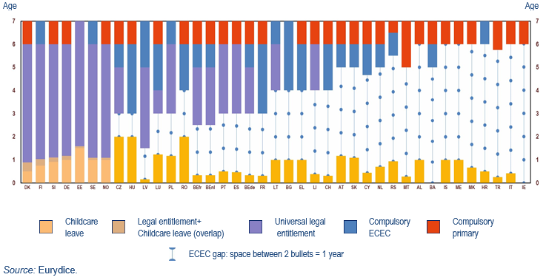
 | Well-paid leave (years) | Legal entitlement | Compulsory ECEC | Compulsory primary education
BEfr | 0.3 | 2.5 | 5 | 6
BEde | 0.3 | 3 | 5 | 6
BEnl | 0.3 | 2.5 | 5 | 6
BG | 1.0 | x | 4 | 7
CZ | 2.0 | 3 | 5 | 6
DK | 0.9 | 0.5 | x | 6
DE | 1.2 | 1 | x | 6
EE | 1.6 | 1.5 | x | 7
IE | x | x | x | 6
EL | 1.0 | x | 4 | 6
ES | 0.5 | 3 | x | 6
FR | 0.3 | x | 3 | 6
HR | 0.5 | x | 6 | 7
IT | 0.4 | x | x | 6
CY | 0.4 | x | 4.7 | 6
LV | 0.2 | 1.5 | 5 | 7
LT | 1.0 | 4 | 6 | 7
LU | 1.2 | 3 | 4 | 6
HU | 2.0 | x | 3 | 6
MT | 0.3 | x | x | 5
NL | 0.7 | x | 5 | 6 | Explanatory note
AT | 1.2 | x | 5 | 6 | The ECEC gap is the difference between the maximum length of well-paid leave and the earliest start of a universal place guarantee in ECEC (legal entitlement or compulsory ECEC). When there is no guaranteed place in ECEC, the gap is calculated until the start of compulsory primary education. Most of the data on well-paid leave comes from the International Network on Leave Policies and Research and refers to April 2023 (Blum et al., 2023, pp. 53–58). It includes post-natal maternity, paternity and parental leaves. ‘Well-paid’ means earnings-related payment at 66 % of earnings or above. The total amount of ‘well-paid’ leave available to parents expressed in child’s age in months was converted to years by dividing the number by 12.
PL | 1.2 | 3 | 6 | 7 | x no such measure
PT | 0.5 | 3 | x | 6 | The table shows values in years.
RO | 2.0 | x | 4 | 6 | Country notes
SI | 1.1 | 0.9 | x | 6 | Albania, Liechtenstein, Montenegro and North Macedonia: leave data provided by Eurydice.
SK | 1.1 | x | 5 | 6 | Portugal: since the extension of legal entitlement from age 4 to age 3 in 2018, demand has still not been met for 3-year-olds in some large cities. The legal entitlement is fully enforced from age 4 onward.
FI | 1.0 | 0.8 | 6 | 7 | Bosnia and Herzegovina: ECEC in the year before starting primary school is mandatory in the Federation of Bosnia and Herzegovina. In the Republika Srpska, ECEC is not compulsory, but all children attend a 3-month pre-primary programme nevertheless.
SE | 1.1 | 1 | 6 | 7 | Switzerland: In 19 cantons (out of 26) attendance of pre-primary education is compulsory. Depending on the canton, compulsory pre-primary provision lasts one or two years. In those cantons where pre-primary education is not compulsory, children from the age of 4 or 5 are legally entitled to a publicly subsidised place.
AL | 1.0 | x | x | 6
BA | x | x | 5 | 6
CH | 0.3 | x | 4 | 6
IS | 1.0 | x | x | 6
LI | 0.4 | 4 | x | 6
ME | 1.0 | x | x | 6
MK | 0.7 | x | x | 6
NO | 1.1 | 1 | x | 6
RS | 0.9 | x | 5.5 | 6.5
TR | 0.3 | x | x | 5.75

This sheet shows the difference between the end of the maximum childcare leave and the earliest start of the universal place guarantee in ECEC. In the Figure, the European countries are listed according to the length of the ECEC gap, which indicates the amount of time a child is not covered either by childcare leave or a guaranteed place in ECEC.
Legal entitlement to ECEC refers to a statutory duty on ECEC providers to secure publicly subsidised ECEC provision for all children living in a catchment area whose parents, regardless of their employment, socioeconomic or family status, require a place for their child.
Compulsory ECEC refers to the legal obligation for children to attend ECEC when they reach a certain age.
Well-paid leave includes post-natal maternity, paternity and parental leaves. ‘Well-paid’ means earnings-related payment at 66 % of earnings or above. Most of the data comes from the International Network on Leave Policies and Research and refers to April 2023. For the countries highlighted in yellow: there was a change since 2022 Review of Leave Policies; the data differs from the Figure 2 in the Structural indicators ECEC.
Please see the full data for April 2023 below:
19th International Review on Leave Policies and Related Research 2023, pp. 59-66.
For full description of the methodology, see Structural indicators for monitoring education and training systems in Europe – 2023: Early childhood education and care. This Excel sheet is an update for 2024.
https://eurydice.eacea.ec.europa.eu/news/structural-indicators-monitoring-education-and-training-systems-europe-2023

ECEC_3
Structural indicators on early childhood education and care

ECEC indicator 3: ECEC free of charge and guaranteed places, 2023/2024

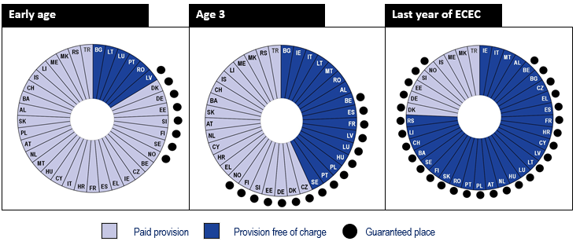
 | Starting age of ECEC free of charge | Number of free of charge hours per week
BEfr | 2.5 | 23
BEde | 3.0 | 23.33
BEnl | 2.5 | 23.33
BG | 0.3 | full time
CZ | 5.0 | full time
DK | x | x
DE | No top-level regulations | No top-level regulations
EE | x | x
IE | 2.7 | 15
EL | 4.0 | full time
ES | 3.0 | 25
FR | 3.0 | 24
HR | 6.0 | (4-7)
IT | 3.0 | full time
CY | 4.7 | 26
LV | 1.5 | No top-level regulations
LT | 0.0 | 20
LU | 1.0 | 20 and 26
HU | 3.0 | full time
MT | 2.8 | 30
NL | 4.0 | No top-level regulations | Explanatory note
AT | 5.0 | 20 | In the table, when the weekly hours are shown in brackets, the number is approximate weekly value.
PL | 3.0 | 25
PT | 0.0 | full time | Country notes
RO | 0.0 | full time | Germany: Berlin, Hamburg and Mecklenburg-Vorpommern offer free ECEC for all children. In Rhineland-Palatinia, ECEC is free from the age of 2. Bremen, Hessen and Niedersachsen waive the fees from age 3. North Rhine-Westphalia and Thuringia offer free ECEC for all children during the final two years, while Brandenburg during the final year before starting primary education. ECEC is not free of charge in Baden-Württemberg, Bayern, Saarland, Sachsen, Sachsen-Anhalt and Schleswig-Holstein.
SI | x | x | Croatia: From September 2024, with the adoption of the new National Preschool Curriculum, the compulsory hours of pre-primary class will increase to 700 hours per year (20 hours per week). Source: Measure 1.2., page 42 of The National Plan for the Development of Education and Training until 2027. URL: https://mzo.gov.hr/UserDocsImages//dokumenti/Obrazovanje/AkcijskiINacionalniPlan//Nacionalni-plan-razvoja-sustava-obrazovanja-za-razdoblje-do-2027.pdf
SK | 5.0 | full time | Portugal: currently, a gradual extension of free-of-charge ECEC for all children under age 3 is being introduced under the program Creche Feliz [Happy Childcare]. From 1 September 2022, there are no fees for all children entering the first year of crèche. In 2023, this measure will be extended all children entering the first year of crèche and proceeding to the second year. In 2024, all children will attend ECEC free-of-charge. See Law No 2/2022, 3 January.
FI | 6.0 | 20.0 | https://www.seg-social.pt/rede-de-creches-gratuitas
SE | 3.0 | 15
AL | 3.0 | 20
BA | 5.0 | (4-5)
CH | 4.0 | 10-20
IS | x | x
LI | 4.0 | 21
ME | x | x
MK | x | x
NO | x | x
RS | 5.5 | full time
TR | x | x

Affordability is a very important factor in ensuring that the highest possible number of children have access to ECEC. This figure examines the most robust measure taken to ensure that every family can afford to place their child in ECEC, where all places are offered free of charge. However, affordability must be discussed in relation to availability, since without a place guarantee, free ECEC in public settings may be limited and waiting lists may be long with complex priority rules. Therefore, the Figure shows the availability of free ECEC in relation to a guaranteed place for three broad age groups: 1. early age (under age 2); 2. around age 3 (more than age 2, less than age 4); 3. last year of ECEC (age 4, 5 or 6, which varies by education system).
Free of charge means that no payment is expected for normal educational and care activities. However, a fee may be still be payable for meals taken during the session, transport to the setting, additional hours of provision and/or extra activities (e.g. English tuition, swimming).

For full description of the methodology, see Structural indicators for monitoring education and training systems in Europe – 2023: Early childhood education and care. This Excel sheet is an update for 2024.
https://eurydice.eacea.ec.europa.eu/news/structural-indicators-monitoring-education-and-training-systems-europe-2023

