ELET_Indicator_1
Structural indicators for monitoring education and training systems in Europe – 2024

Structural indicators on early leaving from education and training (ELET)

Indicator 1: Top-level policies on early warning systems to prevent ELET, ISCED 1-34, 2023/2024

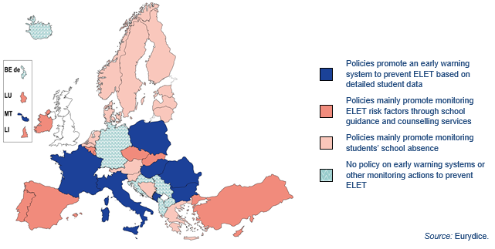
 | Policies promote an early warning system to prevent ELET based on detailed student data | Policies mainly promote monitoring ELET risk factors through school guidance and counselling services | Policies mainly promote monitoring students’ school absence | No policy on early warning systems or other monitoring actions to prevent ELET
BEfr |  | 1
BEde |  |  |  | 1
BEnl |  |  | 1
BG | 1
CZ |  | 1
DK |  |  | 1
DE |  |  |  | 1
EE |  |  | 1
IE |  | 1
EL |  |  | 1
ES |  | 1
FR | 1
HR |  |  |  | 1 | Country-specific notes:
IT | 1 |  |  |  | Ireland: Policies only apply to ISCED 1-24.
CY |  | 1 |  |  | France, Luxembourg, Hungary and Norway: Policies only apply to ISCED 24-34.
LV |  |  | 1
LT |  |  | 1
LU |  | 1
HU | 1
MT | 1
NL |  |  | 1
AT |  |  | 1
PL | 1
PT |  | 1
RO | 1
SI |  |  | 1
SK |  | 1
FI |  |  | 1
SE |  |  | 1
AL |  |  |  | 1
BA |  |  | 1
IS |  |  |  | 1
LI |  | 1
ME | 1
MK |  |  |  | 1
NO |  |  | 1
RS |  |  |  | 1
TR |  | 1

ELET_Indicator_2
Structural indicators for monitoring education and training systems in Europe – 2024

Structural indicators on early leaving from education and training (ELET)

Indicator 2: Learners targeted in top-level policies on individual education plans, ISCED 1–34, 2023/2024

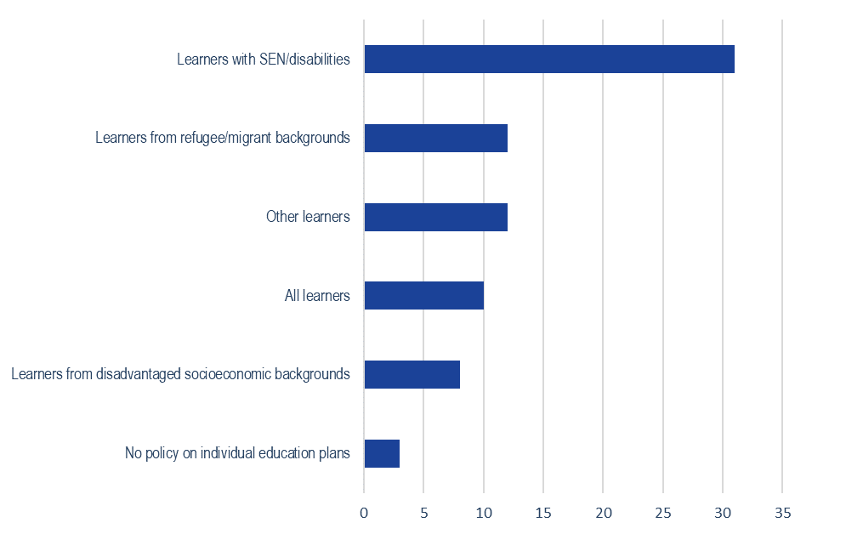
 | All learners | Learners with SEN/disabilities | Learners from refugee/migrant backgrounds | Learners from disadvantaged socioeconomic backgrounds | Other learners | No policy on individual education plans
BEfr | 1
BEde |  | 1 | 1
BEnl |  | 1 |  |  | 1
BG |  | 1 |  |  | 1
CZ |  | 1 |  |  | 1
DK |  |  |  |  |  | 1
DE |  | 1 |  |  | 1
EE |  | 1
IE |  | 1
EL |  | 1 | 1
ES | 1 | 1 |  | 1 | 1
FR | 1 | 1
HR |  | 1 |  |  | 1
IT | 1 | 1 | 1 | 1 | 1
CY | 1 | 1 | 1
LV |  | 1 | 1 |  | 1
LT |  | 1 | 1 | 1 |  |  | Country-specific notes:
LU |  | 1 | 1 |  |  |  | Belgium (BE fr) and Austria: Data only apply to ISCED 1 and 24.
HU |  | 1 |  | 1 |  |  | Denmark: At ISCED 1 and 24, IEPs are a matter of local autonomy.
MT |  | 1 |  |  |  |  | Ireland: Data only apply to ISCED 34.
NL | 1 |  |  |  |  |  | Spain: 'Other learners' only applies to ISCED 1.
AT |  | 1 |  |  | 1 |  | Italy, Lithuania and Finland: 'All learners' only applies to ISCED 34.
PL |  | 1 |  |  |  |  | Latvia: 'Learners from refugee/migrant backgrounds' and ''Other learners' only applies to ISCED 34.
PT | 1 | 1 | 1 | 1 |  |  | Sweden: 'Learners from refugee/migrant backgrounds' only applies to ISCED 34.
RO | 1 | 1 |  | 1 |  |  | Bosnia and Herzegovina: 'Learners from disadvantaged socioeconomic backgrounds' only applies to ISCED 1 and 24.
SI |  | 1 | 1 |  | 1 |  | Iceland: 'All learners' only applies to ISCED 1 and 24.
SK |  | 1 | 1 | 1 | 1 |  | Türkiye: 'All learners' only applies to ISCED 1.
FI |  | 1
SE | 1 |  | 1
AL |  |  |  |  |  | 1
BA |  | 1 |  | 1
IS |  | 1 | 1
LI |  |  |  |  |  | 1
ME |  | 1
MK |  | 1
NO | 1
RS |  | 1 |  |  | 1
TR |  | 1

ELET_Indicator_3
Structural indicators for monitoring education and training systems in Europe – 2024

Structural indicators on early leaving from education and training (ELET)

Indicator 3: Monitoring and evaluation of learners’ access to multidisciplinary support teams by top-level education authorities (ISCED 1–34), 2023/2024

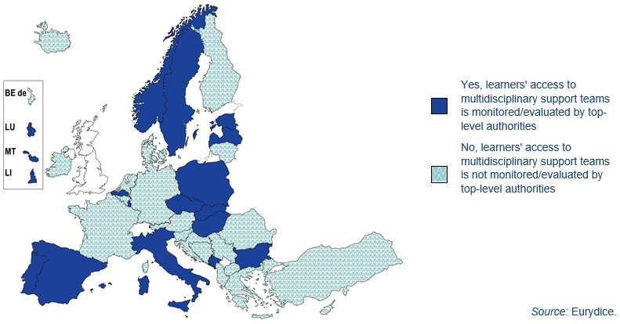
 | Yes, learners' access to multidisciplinary support teams is monitored/evaluated by top-level authorities | No, learners' access to multidisciplinary support teams is not monitored/evaluated by top-level authorities
BEfr |  | 1
BEde |  | 1
BEnl | 1
BG | 1
CZ | 1
DK |  | 1
DE |  | 1
EE | 1
IE |  | 1
EL |  | 1
ES | 1
FR |  | 1
HR |  | 1
IT | 1
CY |  | 1
LV | 1
LT |  | 1
LU | 1
HU | 1
MT | 1
NL |  | 1
AT |  | 1
PL | 1
PT | 1
RO |  | 1
SI |  | 1
SK | 1
FI |  | 1
SE | 1
AL |  | 1
BA |  | 1
IS |  | 1
LI | 1
ME | 1
MK |  | 1
NO | 1
RS |  | 1
TR |  | 1

ELET_Indicator_4a_ISCED_1
Structural indicators for monitoring education and training systems in Europe – 2024

Structural indicators on early leaving from education and training (ELET)

Indicator 4a: Top-level policies on the provision of education and career guidance in schools, ISCED 1, 2023/2024

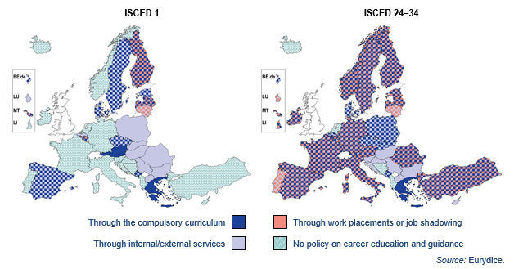
 | Through the compulsory curriculum | Through internal/external services | Through work placements or job shadowing | No policy on career education and guidance
BEfr | 1 | 1 | 1
BEde | 1 | 1
BEnl |  | 1
BG |  | 1
CZ | 1 | 1
DK | 1 | 1
DE |  |  |  | 1
EE | 1 | 1
IE |  |  |  | 1
EL | 1
ES | 1 | 1
FR |  |  |  | 1
HR |  |  |  | 1
IT |  |  |  | 1
CY |  |  |  | 1
LV | 1 | 1 | 1
LT |  | 1 | 1
LU |  | 1 |  |  | Country-specific notes:
HU |  | 1 |  |  | Belgium (Flemish Community) and Poland: Education and career guidance taught through the curriculum only applies to ISCED 24 and 34.
MT | 1 | 1 | 1 |  | Czechia: Education and career guidance policies only apply to ISCED 1 and 24.
NL |  |  |  | 1 | Denmark: Education and career guidance taught through the curriculum only applies to ISCED 1 and 24.
AT | 1 |  |  |  | Germany, France, Croatia, Cyprus, Slovenia, Liechtenstein and Norway: Education and career guidance policies only apply to ISCED 24 and 34.
PL |  | 1 |  |  | Estonia and Sweden: Work placements or job shadowing only applies to ISCED 24 and 34.
PT |  |  |  | 1 | Ireland and Türkiye: Education and career guidance taught through the curriculum and through internal/external services only apply to ISCED 24 and 34. Work placements or job shadowing only applies to ISCED 34.
RO |  | 1 |  |  | Italy: Education and career guidance through internal/external services only apply to ISCED 24 and 34. Education and career guidance taught through the curriculum and work placements or job shadowing apply only to ISCED 34.
SI |  |  |  | 1 | Austria: Education and career guidance taught through internal/external services and work placements or job shadowing only applies to ISCED 24 and 34.
SK |  | 1 |  |  | Portugal: Education and career guidance through internal/external services only apply to ISCED 24 and 34. Education and career guidance through work placements or job shadowing apply only to ISCED 24.
FI | 1 | 1 | 1 |  | Romania: Education and career guidance taught through the curriculum only applies to ISCED 24. Work placements or job shadowing only applies to ISCED 34.
SE | 1 | 1 |  |  | Slovakia: Education and career guidance taught through the curriculum only applies to ISCED 24.
AL |  |  |  | 1
BA |  |  |  | 1
IS |  |  |  | 1
LI |  |  |  | 1
ME | 1 | 1
MK |  | 1
NO |  |  |  | 1
RS |  | 1
TR |  |  |  | 1

