Figure_1
Structural indicators for monitoring education and training systems in Europe – 2024. Eurydice background report

Structural indicators on equity in school and higher education

Figure 1: Additional funding supporting all or some schools enrolling disadvantaged students, ISCED 1 to 34, 2023/2024

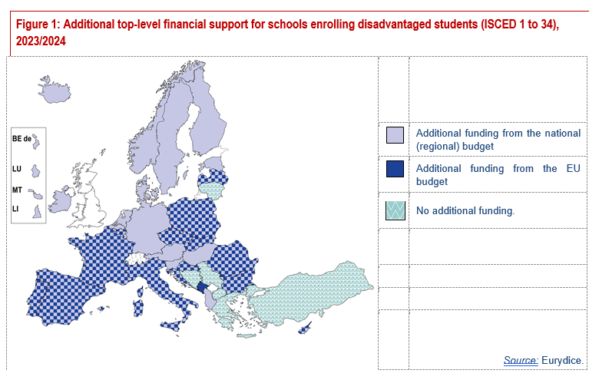
 | Additional funding from national (regional) budget: all schools | Additional funding from national (regional) budget: some schools | Additional funding from EU budget: all schools | Additional funding from EU budget: some schools | Additional funding from other budget | No additional funding | Local or school autonomy
BEfr | 1 | 0 | 1 | 0 | 0 | 0 | 0
BEde | 1 | 0 | 0 | 0 | 0 | 0 | 0
BEnl | 1 | 0 | 0 | 0 | 0 | 0 | 0
BG | 1 | 0 | 0 | 1 | 0 | 0 | 0
CZ | 1 | 0 | 1 | 0 | 0 | 0 | 0
DK | 1 | 0 | 0 | 0 | 0 | 0 | 0
DE | 0 | 1 | 0 | 0 | 0 | 0 | 0
EE | 1 | 0 | 0 | 0 | 0 | 0 | 0
IE | 0 | 1 | 0 | 0 | 0 | 0 | 0
EL | 0 | 0 | 0 | 0 | 0 | 1 | 0
ES | 1 | 0 | 0 | 1 | 0 | 0 | 0
FR | 0 | 1 | 0 | 1 | 0 | 0 | 0
HR | 1 | 0 | 1 | 0 | 0 | 0 | 0
IT | 1 | 0 | 0 | 1 | 0 | 0 | 0
CY | 0 | 1 | 0 | 1 | 0 | 0 | 0
LV | 1 | 0 | 1 | 0 | 0 | 0 | 0
LT | 0 | 0 | 0 | 0 | 0 | 1 | 0
LU | 1 | 0 | 0 | 0 | 0 | 0 | 0
HU | 0 | 1 | 0 | 0 | 0 | 0 | 0
MT | 1 | 0 | 0 | 0 | 0 | 0 | 0
NL | 1 | 0 | 0 | 0 | 0 | 0 | 0
AT | 1 | 0 | 0 | 0 | 0 | 0 | 0
PL | 0 | 1 | 0 | 1 | 0 | 0 | 0
PT | 1 | 0 | 0 | 1 | 0 | 0 | 0
RO | 1 | 0 | 0 | 1 | 0 | 0 | 0
SI | 1 | 0 | 0 | 0 | 0 | 0 | 0
SK | 1 | 0 | 0 | 1 | 0 | 0 | 0
FI | 1 | 0 | 0 | 0 | 0 | 0 | 0
SE | 1 | 0 | 0 | 0 | 0 | 0 | 0
AL | 1 | 0 | 0 | 0 | 0 | 0 | 0
BA | 0 | 0 | 0 | 0 | 0 | 1 | 0
IS | 1 | 0 | 0 | 0 | 0 | 0 | 0
LI | 1 | 0 | 0 | 0 | 0 | 0 | 0
ME | 0 | 0 | 0 | 1 | 0 | 0 | 0
MK | 0 | 0 | 0 | 0 | 0 | 1 | 0
NO | 0 | 1 | 0 | 0 | 0 | 0 | 0
RS | 0 | 0 | 0 | 0 | 0 | 1 | 0
TR | 0 | 0 | 0 | 0 | 0 | 1 | 0

Country-specific notes:
LU: At ISCED 1, additional funding from national budget in some schools
SE: At ISCED 34, there is no additional funding
IS: At ISCED 34, there is additional funding from national budget in some schools

Figure_2
Structural indicators for monitoring education and training systems in Europe – 2024. Eurydice background report

Structural indicators on equity in school and higher education

Figure 2: Top-level financial measures for teachers working in schools with a large number of disadvantaged students, ISCED 1 to 34, 2023/2024

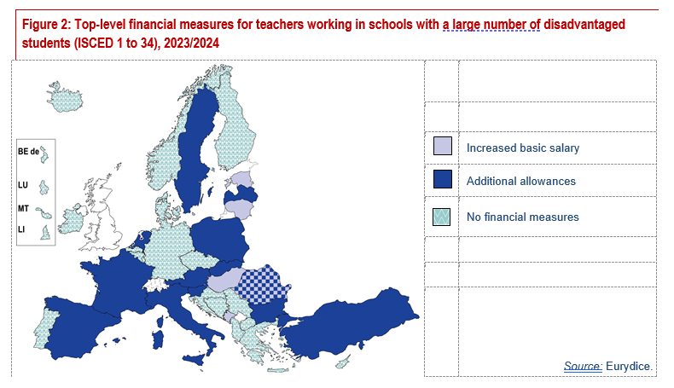
 | Increased basic salary | Additional allowance(s) | No additional financial measures
BEfr | 0 | 0 | 1
BEde | 0 | 0 | 1
BEnl | 0 | 0 | 1
BG | 0 | 1 | 0
CZ | 0 | 0 | 1
DK | 0 | 0 | 1
DE | 0 | 0 | 1
EE | 1 | 0 | 0
IE | 0 | 0 | 1
EL | 0 | 0 | 1
ES | 0 | 1 | 0
FR | 0 | 1 | 0
HR | 0 | 0 | 1
IT | 0 | 1 | 0
CY | 0 | 0 | 1
LV | 0 | 1 | 0
LT | 1 | 0 | 0
LU | 0 | 0 | 1
HU | 1 | 0 | 0
MT | 0 | 0 | 1
NL | 0 | 1 | 0
AT | 0 | 1 | 0
PL | 0 | 1 | 0
PT | 0 | 0 | 1
RO | 1 | 1 | 0
SI | 0 | 1 | 0
SK | 0 | 1 | 0
FI | 0 | 0 | 1
SE | 0 | 1 | 0
AL | 0 | 0 | 1
BA | 0 | 0 | 1
IS | 0 | 0 | 1
LI | 0 | 0 | 1
ME | 1 | 0 | 0
MK | 0 | 0 | 1
NO | 0 | 0 | 1
RS | 0 | 0 | 1
TR | 0 | 1 | 0

Country-specific notes:
FR: At ISCED 3,there are no additional financial measures
SK: At ISCED 3, there are no additional financial measures
MK: At ISCED 3, there are no additional financial measures

Figure_3
Structural indicators for monitoring education and training systems in Europe – 2024. Eurydice background report

Structural indicators on equity in school and higher education

Figure 3: Top-level non-financial measures for teachers working in schools with a large number of disadvantaged students, ISCED 1 to 34, 2023/2024

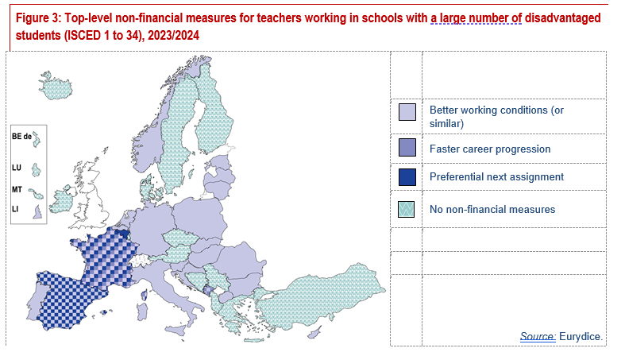
 | Better working conditions or similar | Faster career progression | Preferential next assignment | No additional non-financial measures
BEfr | 0 | 0 | 1 | 0
BEde | 0 | 0 | 0 | 1
BEnl | 1 | 0 | 0 | 0
BG | 1 | 0 | 0 | 0
CZ | 0 | 0 | 0 | 1
DK | 0 | 0 | 0 | 1
DE | 1 | 0 | 0 | 0
EE | 1 | 0 | 0 | 0
IE | 0 | 0 | 0 | 1
EL | 0 | 0 | 0 | 1
ES | 1 | 0 | 1 | 0
FR | 1 | 1 | 1 | 0
HR | 1 | 0 | 0 | 0
IT | 1 | 0 | 0 | 0
CY | 1 | 0 | 0 | 0
LV | 1 | 0 | 0 | 0
LT | 1 | 0 | 0 | 0
LU | 0 | 0 | 0 | 1
HU | 1 | 0 | 0 | 0
MT | 0 | 0 | 0 | 1
NL | 1 | 0 | 0 | 0
AT | 0 | 0 | 0 | 1
PL | 1 | 0 | 0 | 0
PT | 1 | 0 | 0 | 0
RO | 1 | 0 | 0 | 0
SI | 1 | 0 | 0 | 0
SK | 1 | 0 | 0 | 0
FI | 0 | 0 | 0 | 1
SE | 0 | 0 | 0 | 1
AL | 0 | 0 | 0 | 1
BA | 0 | 0 | 0 | 1
IS | 0 | 0 | 0 | 1
LI | 1 | 0 | 0 | 0
ME | 1 | 1 | 0 | 0
MK | 1 | 0 | 0 | 0
NO | 1 | 0 | 0 | 0
RS | 0 | 0 | 0 | 1
TR | 0 | 0 | 0 | 1

Country-specific notes:
FR: At ISCED 3,there are no additional non-financial measures

Figure_4
Structural indicators for monitoring education and training systems in Europe – 2024. Eurydice background report

Structural indicators on equity in school and higher education

Figure 4: Funding for Higher Education Institutions linked to quantitative equity-related targets, 2023/2024

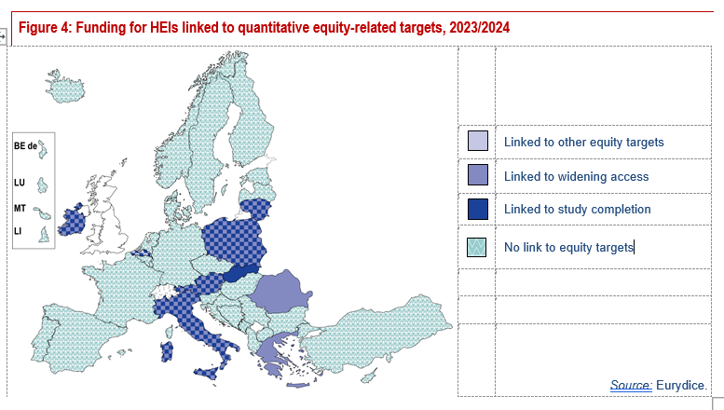
 | Funding linked to widening access targets | Funding linked to completion targets | Funding linked to other equity targets | No equity targets linked to funding
BEfr | 0 | 0 | 0 | 1
BEde | 0 | 0 | 0 | 1
BEnl | 0 | 1 | 1 | 0
BG | 0 | 0 | 0 | 1
CZ | 0 | 0 | 0 | 1
DK | 0 | 0 | 0 | 1
DE | 0 | 0 | 0 | 1
EE | 0 | 0 | 0 | 1
IE | 1 | 1 | 0 | 0
EL | 1 | 0 | 0 | 0
ES | 0 | 0 | 0 | 1
FR | 0 | 0 | 0 | 1
HR | 0 | 0 | 0 | 1
IT | 1 | 1 | 0 | 0
CY | 0 | 0 | 0 | 1
LV | 0 | 0 | 0 | 1
LT | 1 | 1 | 0 | 0
LU | 0 | 0 | 0 | 1
HU | 0 | 0 | 0 | 1
MT | 0 | 0 | 0 | 1
NL | 0 | 0 | 0 | 1
AT | 1 | 1 | 0 | 0
PL | 1 | 1 | 0 | 0
PT | 0 | 0 | 0 | 1
RO | 1 | 0 | 0 | 0
SI | 0 | 0 | 0 | 1
SK | 0 | 1 | 0 | 0
FI | 0 | 0 | 0 | 1
SE | 0 | 0 | 0 | 1
AL | 0 | 0 | 0 | 1
BA | 0 | 0 | 0 | 1
IS | 0 | 0 | 0 | 1
LI | 0 | 0 | 0 | 1
ME | 0 | 0 | 0 | 1
MK | 0 | 0 | 0 | 1
NO | 0 | 0 | 0 | 1
RS | 0 | 0 | 0 | 1
TR | 0 | 0 | 0 | 1

Figure_5
Structural indicators for monitoring education and training systems in Europe – 2024. Eurydice background report

Structural indicators on equity in school and higher education

Figure 5: Top-level financial support for higher education student accommodation, meals and transport, 2023/2024

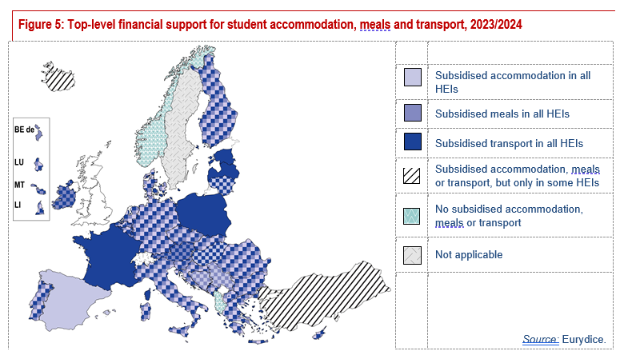
 | Subsidised accommodation in all HEIs | Subsidised meals in all HEIs | Subsidised transport in all HEIs | Subsidised accommodation, meals or public transport, but only for some HEIs | No subsidised accommodation, meals or public transport | Local autonomy
BEfr | 1 | 1 | 1 | 0 | 0 | 0
BEde | 0 | 1 | 0 | 0 | 0 | 0
BEnl | 1 | 1 | 1 | 0 | 0 | 0
BG | 1 | 1 | 1 | 0 | 0 | 0
CZ | 1 | 1 | 1 | 0 | 0 | 0
DK | 1 | 1 | 1 | 0 | 0 | 0
DE | 1 | 1 | 1 | 0 | 0 | 0
EE | 0 | 0 | 1 | 0 | 0 | 0
IE | 0 | 1 | 1 | 0 | 0 | 0
EL | 1 | 1 | 1 | 0 | 0 | 0
ES | 1 | 0 | 0 | 0 | 0 | 0
FR | 0 | 0 | 1 | 0 | 0 | 0
HR | 1 | 1 | 1 | 0 | 0 | 0
IT | 1 | 1 | 1 | 0 | 0 | 0
CY | 1 | 1 | 1 | 0 | 0 | 0
LV | 0 | 0 | 1 | 0 | 0 | 0
LT | 1 | 0 | 1 | 0 | 0 | 0
LU | 1 | 1 | 1 | 0 | 0 | 0
HU | 1 | 0 | 1 | 0 | 0 | 0
MT | 0 | 1 | 1 | 0 | 0 | 0
NL | 1 | 1 | 1 | 0 | 0 | 0
AT | 0 | 1 | 1 | 0 | 0 | 0
PL | 0 | 0 | 1 | 0 | 0 | 0
PT | 1 | 1 | 1 | 0 | 0 | 0
RO | 1 | 1 | 1 | 0 | 0 | 0
SI | 1 | 1 | 1 | 0 | 0 | 0
SK | 1 | 1 | 1 | 0 | 0 | 0
FI | 1 | 1 | 1 | 0 | 0 | 0
SE | 0 | 0 | 0 | 0 | 0 | 1
AL | 0 | 0 | 0 | 0 | 1 | 0
BA | 1 | 1 | 0 | 0 | 0 | 0
IS | 0 | 0 | 0 | 1 | 0 | 0
LI | 1 | 1 | 1 | 0 | 0 | 0
ME | 1 | 1 | 1 | 0 | 0 | 0
MK | 1 | 1 | 1 | 0 | 0 | 0
NO | 0 | 0 | 0 | 0 | 1 | 0
RS | 1 | 1 | 0 | 0 | 0 | 0
TR | 0 | 0 | 0 | 1 | 0 | 0
 |  |  |  |  | 0

Country-specific note:
SE: Students receive a study grant. In addition, depending on local and university level agreements, students may benefit from discounted accommodation, transport and meals.

Figure_6
Structural indicators for monitoring education and training systems in Europe – 2024. Eurydice background report

Structural indicators on equity in school and higher education

Figure 6: Top-level financial support to higher education institutions to train academic staff on diversity/inclusion, 2023/2024

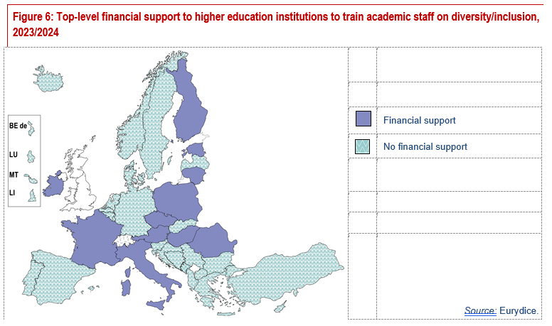
 | Financial support for training HEI staff on inclusion | No financial support for training HEI staff on inclusion | 0
BEfr | 0 | 1
BEde | 0 | 1
BEnl | 0 | 1
BG | 0 | 1
CZ | 1 | 0
DK | 0 | 1
DE | 0 | 1
EE | 1 | 0
IE | 1 | 0
EL | 0 | 1
ES | 0 | 1
FR | 1 | 0
HR | 0 | 1
IT | 1 | 0
CY | 0 | 1
LV | 0 | 1
LT | 1 | 0
LU | 0 | 1
HU | 1 | 0
MT | 0 | 1
NL | 0 | 1
AT | 1 | 0
PL | 1 | 0
PT | 0 | 1
RO | 1 | 0
SI | 0 | 1
SK | 0 | 1
FI | 1 | 0
SE | 0 | 1
AL | 0 | 1
BA | 0 | 1
IS | 0 | 1
LI | 0 | 1
ME | 0 | 1
MK | 0 | 1
NO | 0 | 1
RS | 0 | 1
TR | 0 | 1

