Figure_1
Structural indicators for monitoring education and training systems in Europe – 2024. Eurydice background report

Structural indicators on the higher education

Scorecard Indicator 1: Policies for tackling gender equity issues in higher education, 2023/2024

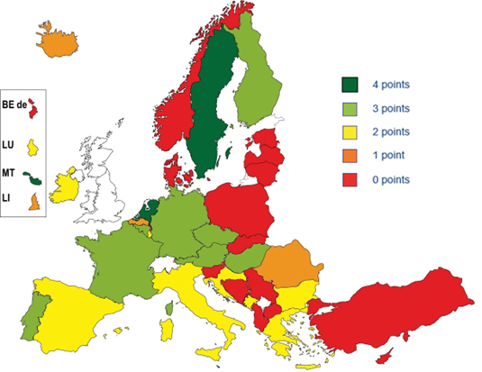
 | 4 points | 3 points | 2 points | 1 point | 0 points
BEfr |  | 1
BEde |  |  |  |  | 1
BEnl |  |  |  | 1
BG |  |  | 1
CZ |  | 1
DK |  |  |  |  | 1
DE |  | 1
EE |  |  |  |  | 1
IE |  |  | 1
EL |  |  | 1
ES |  |  | 1
FR |  | 1
HR |  |  | 1
IT |  |  | 1
CY |  |  |  |  | 1
LV |  |  |  |  | 1
LT |  |  |  |  | 1
LU |  |  | 1
HU |  | 1
MT | 1 |  |  |  |  | Figure 1 is a composite scorecard indicator based on four elements. For more detailed information on policy measures , please see the sheet "Figure_1_Data"
NL | 1 |  |  |  |  | 1. A strategy for gender equality exists for ALL institutions
AT |  | 1 |  |  |  | 2. Quantitative targets exist in the strategy
PL |  |  |  |  | 1 | 3. Stakeholder consultation for gender equality strategy has taken place
PT |  | 1 |  |  |  | 4. Quality Assurance agencies are required to monitor whether higher education institutions address gender issues
RO |  |  |  | 1
SI |  |  |  |  | 1 | Where all four elements are in place, the country is shown in dark green and the score is 4. Similarly, countries with three elements are shown in light green and the score falls to 3. Those with two elements are shown in yellow and score 2, and with one are in orange with a score of 1. Countries with none of the elements in place are shown in red and zero points are allocated.
SK |  |  |  |  | 1
FI |  | 1 |  |  |  | Country specific notes:
SE | 1 |  |  |  |  | Czechia: HEIs are required to address gender equality issues in their annual reports, which are evaluated by the Ministry of Education, Youth and Sports. Gender issues in HEIs (as research organizations) are evaluated according to guidelines of the Research, Development and Innovation Council.
AL |  |  |  |  | 1 | Spain: HEIs are required to have plans that guarantee, among others, gender equality in all their activities and measures for the correction of the gender pay gap. At the same time, the equality unit in each university is responsible for advising, coordinating and evaluating the mainstreaming of equality between women and men in the development of university policies, as well as for including the gender perspective in all university activities and functions. Finally, the General Conference on University Policy (at national level) reports on the implementation of the principle of gender equality and anti-discrimination policies.
BA |  |  |  |  | 1
IS |  |  |  | 1
LI |  |  |  | 1
ME |  |  | 1
MK |  |  |  |  | 1
NO |  |  |  |  | 1
RS |  |  |  |  | 1
TR |  |  |  |  | 1

Figure_2
Structural indicators for monitoring education and training systems in Europe – 2024. Eurydice background report

Structural indicators on higher education

Scorecard Indicator 2: Admissions policy in a lifelong learning framework, 2023/2024

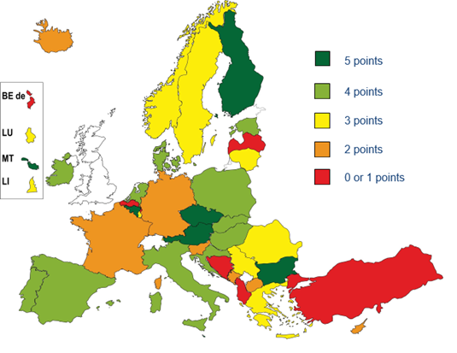
 | 5 points | 4 points | 3 points | 2 points | 0 or 1 points
BEfr | 1
BEde |  |  |  |  | 1
BEnl |  |  |  |  | 1
BG | 1
CZ | 1
DK |  | 1
DE |  |  |  | 1
EE |  | 1
IE |  | 1
EL |  |  | 1
ES |  | 1
FR |  |  |  | 1
HR |  | 1
IT |  | 1
CY |  |  |  | 1
LV |  |  |  |  | 1
LT |  |  | 1
LU |  |  | 1
HU |  | 1
MT | 1 |  |  |  |  | Figure 2 is a composite scorecard indicator based on 5 elements. For more detailed information on policy measures , please see the sheet "Figure_2_Data"
NL |  | 1 |  |  |  | 1. A strategy for increasing participation for under-represented groups exists for ALL institutions
AT | 1 |  |  |  |  | 2. Funding measures for increasing participation in education in later life exist
PL |  | 1 |  |  |  | 3. There are atypical entry routes, such as bridging programmes, entry through RPL etc.
PT |  | 1 |  |  |  | 4. Quality Assurance agencies are required to monitor whether higher education institutions implement correctly measures related to admission to HE
RO |  |  | 1 |  |  | 5. At least two characteristics (other than age and gender) are taken into account in the measures for encouraging participation of underrepresented groups
SI |  |  |  | 1
SK |  | 1
FI | 1
SE |  |  | 1
AL |  |  |  |  | 1
BA |  |  |  |  | 1
IS |  |  |  | 1
LI |  |  | 1
ME |  |  |  | 1
MK |  |  |  | 1
NO |  |  | 1
RS |  |  | 1
TR |  |  |  |  | 1

